reference
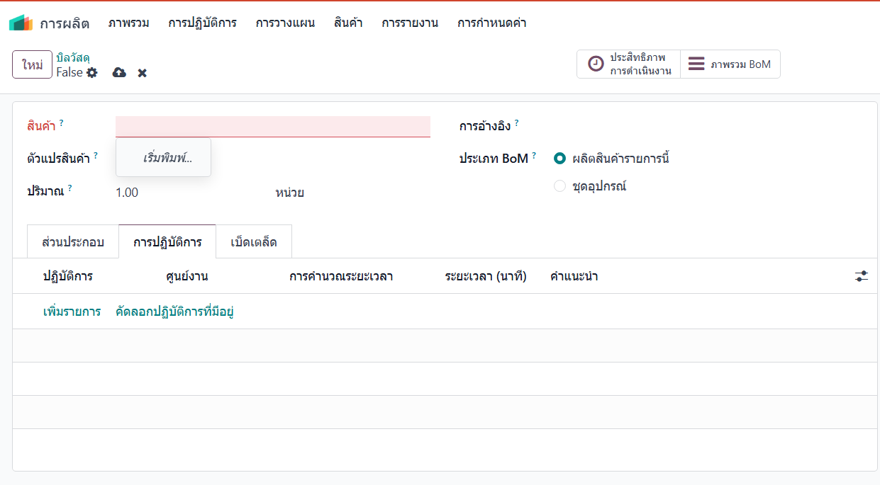
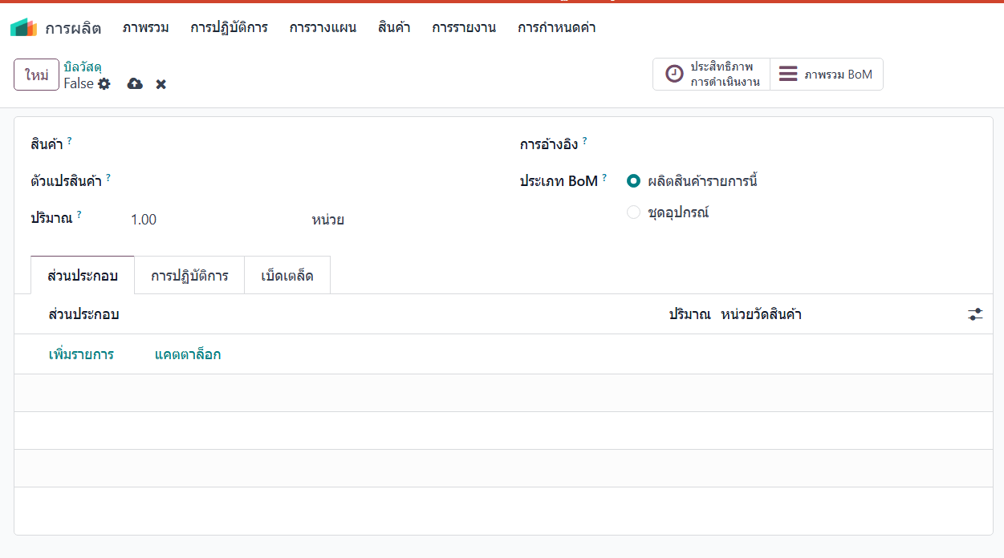
ขั้นตอนการผลิต และ สถานที่การผลิต | สูตรการผลิต คือ ส่วนประกอบในการผลิต และปริมาณที่ใช้

